ORB Battery Life Calculator
ORB Current Calculator Rev 1.2

 |  |  |  |  | Notes
Base Interval | seconds | 3600 | Measurements per day | 24
 | minutes | 60 | Ave mAh per measure | 0.03
 | hours | 1 | mAh per day | 0.67 | Overhead

Sleep | seconds | 3597.5 | mAh per day | 0.00 | Sleep current

Transmit Interval | units | 1 | Transmits per day | 24
Network |  | GSM | Ave mAh per Transmit | 2.30 | good -60dBm < WiFi < -70dBm poor
Reception |  | Average | mAh per day | 55.20 | good -70dBm < GSM < -80dBm poor

GPS Interval | units | 0 | GPS acquisitions per day | 0
GPS Max Time | sec | 180 | Ave mAh per acquisition | 5.00 | Average GPS coverage
 |  |  | mAh per day | 0.00 | GPS

Current Loop 1 Interval | units | 1 | Current Loop 1 per day | 24
Start Time | seconds | 0.5
Current | mA | 40 | Ave mAh per measurement | 0.02 | Up to 100mA at 12V
 |  |  | mAh per day | 0.48 | Current 1

Current Loop 2 Interval | units | 0 | Current Loop 2 per day | 0
Start Time | seconds | 0.5
Current | mA | 20 | Ave mAh per measurement | 0.01 | Up to 100mA at 12V
 |  |  | mAh per day | 0.00 | Current 2

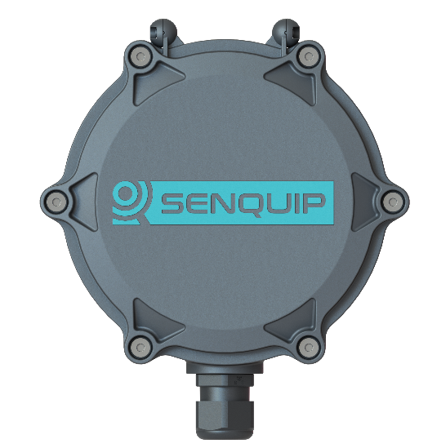
 |  |  | Total mAh per Day | 56.35
 |  |  | Total Wh per Day | 0.20

Batteries |  | 1.6V Energiser Lithium | Voltage | 1.6
 |  |  | mAh | 3500
Not Used |  | 12 | Voltage | 0
Not Used |  | 121 | mAh | 0

LiPo Initial State |  | Charged | mAh | 1800
 |  |  | Voltage | 3.7

Expected ORB Life | days | 133
 | years | 0.4 | Total mAh Available | 7485

Energy Usage Breakdown
Contribution to Total Energy Used

Overhead | Sleep | Transmit | GPS | Current 1 | Current 2
0.67 | 0.00 | 55.20 | 0.00 | 0.48 | 0.00

